Info
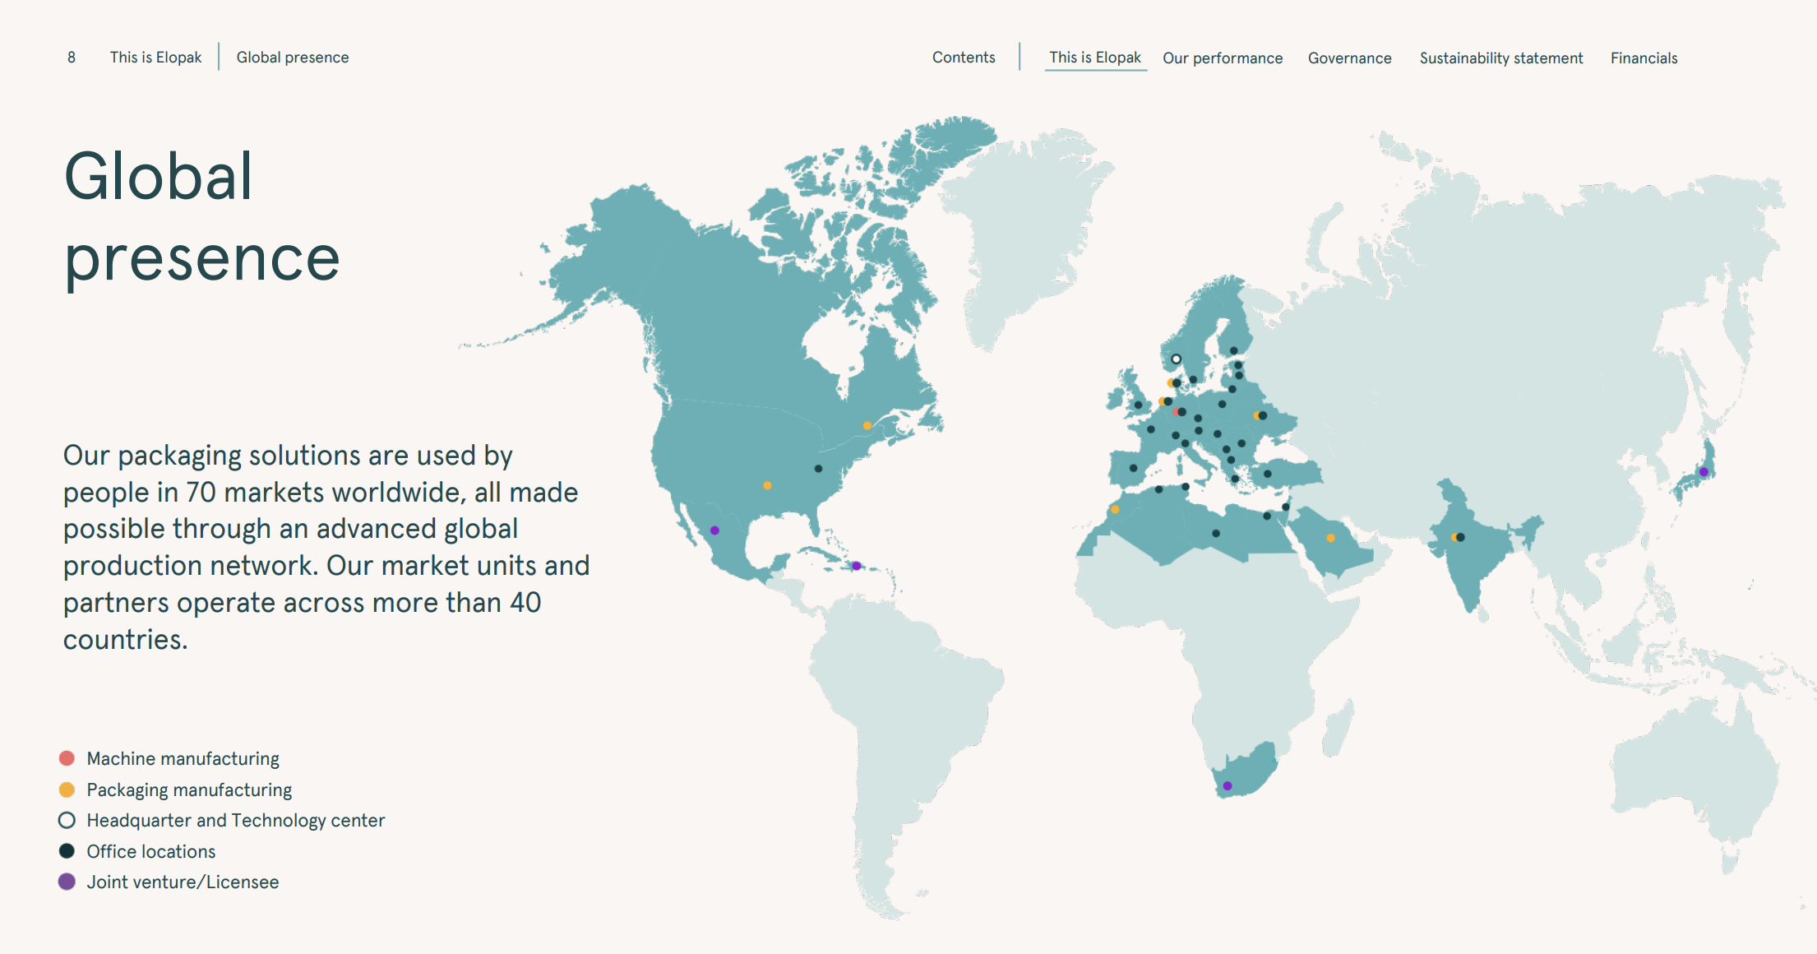
Americas
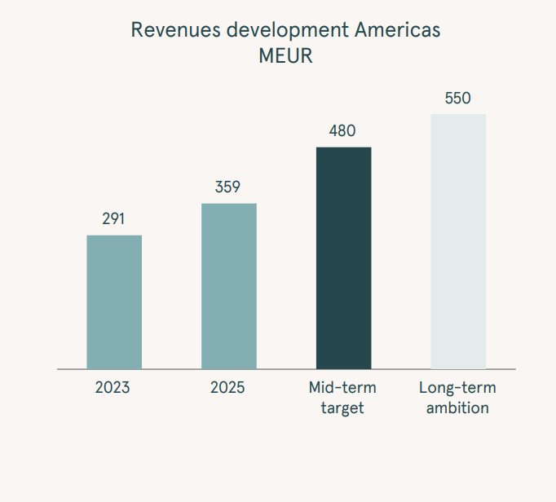

April 2025 åpnet ELO Little Rock i Arkansas som sitt første produksjons i USA
Prosjektet kostet 70 USDm
Andre produksjonslinsje skal være klar H126
Oktober 2025 bestemte ELO seg å invester yttligere 28 USDm i en tredje linje som skal starte 2027

Q226: En av leverandøreen til ELO opplevde en seriøs hendelse ved Nippon Dynawave paper mill i Washington noe som vil påvirke tilbudet til Elopak i Americas
Papp tilbudet vil grunnet dette være begrenset gjennom H226 og mulig inn i 2027

Press releases:
05.05.26: Styreleder Dag Mejdell kjøper 15 000 aksjer på 36,8NOK

